Heritage
Dept | Category | PICTURE | Vendor Style # | Description ( mention size in inches ) | size in CM | ticket type | Ladder | Material Composition | Comments | Vendor Cost | NEED | R1 Retail | R2 Retail
83 |  | 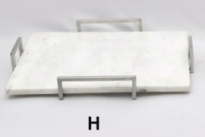 | AM-7597H | 19.25x14.25x2.50 Tray | 49.5x36.5x6.5 |  |  | S.Steel /Marble |  | $19.90 | 0.00
83 |  | 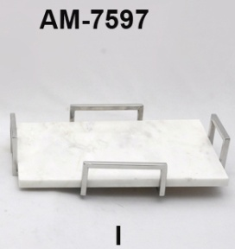 | AM-7597 I | 15.75x9.75x3.25 Tray | 40x25x8 |  |  | S.Steel /Marble |  | $14.90 | 0.00
83 |  | 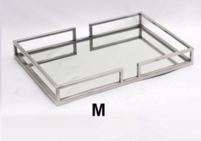 | AM-7597M | 19.75x14x2.50 Tray | 50x36x6.5 |  |  | S.Steel/Glass |  | $19.90 | 15.50
83 |  | 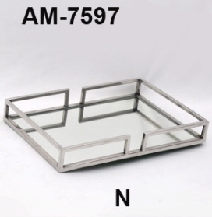 | AM-7597N | 17.5x11.7x2.5 Tray | 45x30x6.5 |  |  | S.Steel/Glass |  | $15.90 | 13.40
83 |  | 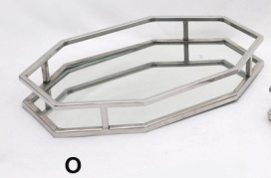 | AM-7597O | 17.5x11.5x2.50 Tray | 45x29.5x6.5 |  |  | S.Steel/Glass |  | $16.90 | 13.40
83 |  | 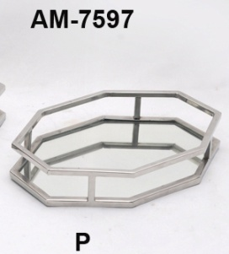 | AM-7597P | 13.50x9.75x2.25 Tray | 35x25x6 |  |  | S.Steel/Glass |  | $12.90 | 11.00
83 |  | 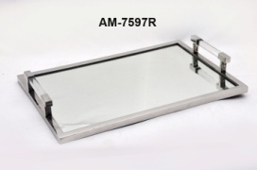 | AM-7597R | 18x11.75x3 Tray | 46x30.5x8 |  |  | S.Steel/Glass | DO THEY HAVE OTHER SIZES NOT SO BIG | $32.90 | 23.00
83 |  | 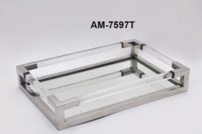 | AM-7597T | 18x11.75x3 Tray | 46x30x8 |  |  | S.Steel/Glass | DID HG DO 2 SIZES | $37.90 | 23.00
83 |  | 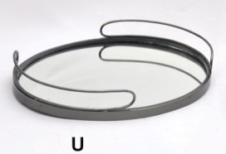 | AM-7597U | 15.5x12x2.25 Tray | 39.5x31x5.5 |  |  | S.Steel/Glass |  | $17.90 | 0.00
83 |  | 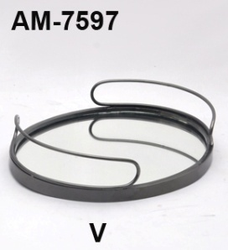 | AM-7597V | 11.75x9.75x2.75 Tray | 30.5x24.5x7 |  |  | S.Steel/Glass |  | $12.90 | 0.00
83 |  | 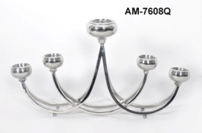 | AM-7608Q | 28x4.75x15 Candle Stand | 71x12x38.5 |  |  | S.Steel | SEE ANOTHER PHOTO | $24.90 | 15.00
83 |  | 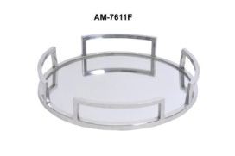 | AM-7611F | 14x14x2.25 Tray | 36x36x6 |  |  | S.Steel/Glass |  | $16.90 | 13.00
83 |  |  | AM-7615S | 6.25x6.25x16.25 Hurricane | 15.5x15.5x42 |  |  | Aluminium/Glass |  | $13.90 | 9.00
83 |  |  | AM-7615T | 6.25x6.25x16.25 Hurricane | 15.5x15.5x42 |  |  | Aluminium/Glass |  | $14.90 | 9.00
83 |  |  | AM-7639K | 10x11x18 Lantern | 26x28x46 |  |  | S.Steel/Glass |  | $30.90 | 0.00
83 |  |  | AM-7639L | 10x11x13.25 Lantern | 26x28x34 |  |  | S.Steel/Glass |  | $27.90 | 18.00
83 |  |  | AM-7639M | 7.5x7.5x13.25 T-Lite | 19x19x34 |  |  | S.Steel/Glass |  | $18.90 | 14.00
83 |  | 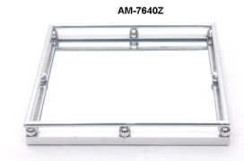 | AM-7640Z | 15.75x15.75x2.25 Tray | 40x40x5.5 |  |  | S.Steel/Glass |  | $22.90 | 16.00
83 |  | 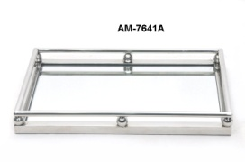 | AM-7641A | 18x12x2.25 Tray | 46x31x5.5 |  |  | S.Steel/Glass |  | $21.90 | 16.00
83 |  |  | AM-7647A | 6.25x6.25x21.5 Candle Stand | 16x16x55 |  |  | Aluminium/Glass |  | $16.90 | 13.33
83 |  |  | AM-7647B | 11x11x23 T-Lite | 28x28x59 |  |  | S.Steel/Glass |  | $26.90 | 0.00
83 |  |  | AM-7647C | 11x11x18 T-Lite | 28x28x46 |  |  | S.Steel/Glass |  | $22.90 | 17.00
83 |  |  | AM-7647D | 8x8x13 T-Lite | 20x20x33 |  |  | S.Steel |  | $15.90 | 0.00
83 |  |  | AM-7647E | 8x8x11.25 T-Lite | 20x20x29 |  |  | S.Steel |  | $13.90 | 9.00
83 |  | 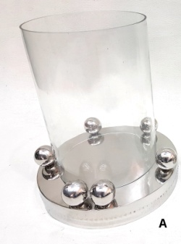 | AM-7650A | 10x10x11 T-Lite | 26x26x28 |  |  | S.Steel/Glass |  | $13.90 | 9.00
83 |  |  | AM-7650B | 7.5x7.5x10 T-Lite | 19x19x26 |  |  | S.Steel/Glass |  | $11.90 | 8.00

TJX Europe - Template

Vendor Name: |  | Fantasy Exports
FOB Point: |  | Mumbai
Ship Window:
Currency: |  | US$
Factor rate
Preticket Contact Name |  | Vikas Munjial
Preticket Contact Email |  | vikas@fantasyexports.com |  |  |  |  |  |  | start ship
Preticket Address |  | Opposite Hotel Panchaal, Delhi Road, Moradabad-244001 |  |  |  |  | sep
Preticket Zip/Postal Code |  | 244001 |  |  |  |  | oct
Preticket Phone # |  | -2490334 |  |  |  |  | nov
Preticket Fax # |  | 0591-2489833 |  |  |  |  | 5 pos r1

